Figure 2.1
FIGURE 2.1 | Total Period Fertility Rate (TPFR), Northern Ireland, 1980 - 2020

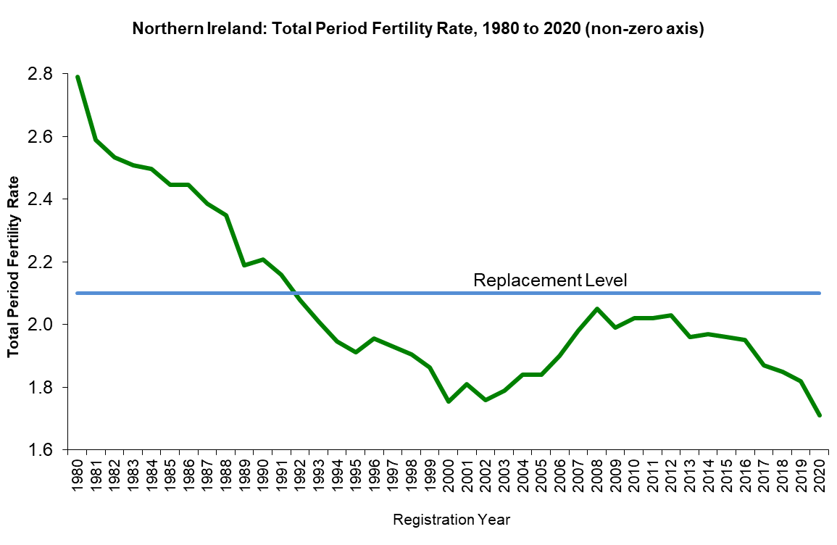
Registration Year | Total Period Fertility Rate
1980 | 2.79
1981 | 2.59
1982 | 2.53
1983 | 2.51
1984 | 2.50
1985 | 2.45
1986 | 2.44
1987 | 2.39
1988 | 2.35
1989 | 2.19
1990 | 2.21
1991 | 2.16
1992 | 2.08
1993 | 2.01
1994 | 1.95
1995 | 1.91
1996 | 1.95
1997 | 1.93
1998 | 1.90
1999 | 1.86
2000 | 1.75
2001 | 1.81
2002 | 1.76
2003 | 1.79
2004 | 1.84
2005 | 1.84
2006 | 1.90
2007 | 1.98
2008 | 2.05
2009 | 1.99
2010 | 2.02
2011 | 2.02
2012 | 2.03
2013 | 1.96
2014 | 1.97
2015 | 1.96
2016 | 1.95
2017 | 1.87
2018 | 1.85
2019 | 1.82
2020 | 1.71
Source: NISRA
https://www.nisra.gov.uk/statistics/births-deaths-and-marriages/registrar-general-annual-report
The line at a TPFR of 2.1 represents the ‘replacement level’ which is the number of births that are required to maintain a steady Northern Ireland population taking account of this population’s mortality rates but ignoring any outside effects of population movement.

Figure 2.2
FIGURE 2.2 |  | UK and EU total period fertility rate, 1985 to 2020

UK and EU 27 Total Period Fertility Rate, 1985 to 2020
 | NI | Wales | England | Scotland | EU27
1985 | 2.4465922802 | 1.86 | 1.78 | 1.7
1986 | 2.4449880618 | 1.86 | 1.76 | 1.68
1987 | 2.3850968804 | 1.88 | 1.8 | 1.68
1988 | 2.3485209864 | 1.91 | 1.82 | 1.68
1989 | 2.1888641317 | 1.86 | 1.79 | 1.61
1990 | 2.2087066327 | 1.91 | 1.83 | 1.67
1991 | 2.1586548028 | 1.88 | 1.81 | 1.69
1992 | 2.077336044 | 1.87 | 1.79 | 1.67
1993 | 2.0080424112 | 1.84 | 1.76 | 1.62
1994 | 1.9473753224 | 1.79 | 1.75 | 1.58
1995 | 1.9116362411 | 1.77 | 1.71 | 1.55
1996 | 1.954999061 | 1.81 | 1.73 | 1.56
1997 | 1.9311533732 | 1.81 | 1.73 | 1.58
1998 | 1.9034877358 | 1.78 | 1.72 | 1.55
1999 | 1.8626936587 | 1.72 | 1.69 | 1.51
2000 | 1.7532915524 | 1.68 | 1.65 | 1.48
2001 | 1.81 | 1.66 | 1.63 | 1.49
2002 | 1.76 | 1.64 | 1.64 | 1.47
2003 | 1.79 | 1.71 | 1.72 | 1.52
2004 | 1.84 | 1.76 | 1.77 | 1.58
2005 | 1.84 | 1.78 | 1.77 | 1.6
2006 | 1.9 | 1.82 | 1.83 | 1.64
2007 | 1.98 | 1.86 | 1.88 | 1.7
2008 | 2.05 | 1.91 | 1.92 | 1.77
2009 | 1.99 | 1.87 | 1.91 | 1.73 | 1.56
2010 | 2.02 | 1.92 | 1.94 | 1.72 | 1.57
2011 | 2.02 | 1.9 | 1.93 | 1.69 | 1.54
2012 | 2.03 | 1.88 | 1.94 | 1.67 | 1.54
2013 | 1.96 | 1.8 | 1.85 | 1.61 | 1.51
2014 | 1.97 | 1.78 | 1.83 | 1.62 | 1.54
2015 | 1.96 | 1.77 | 1.82 | 1.56 | 1.54
2016 | 1.95 | 1.74 | 1.81 | 1.52 | 1.57
2017 | 1.87 | 1.69 | 1.76 | 1.47 | 1.56
2018 | 1.85 | 1.63 | 1.7 | 1.42 | 1.54
2019 | 1.82 | 1.54 | 1.66 | 1.37 | 1.53
2020 | 1.71 | 1.47 | 1.59 | 1.29 | 1.5
Year | NI | Wales | England | Scotland | EU27
1985 | 2.45 | 1.86 | 1.78 | 1.70
1986 | 2.44 | 1.86 | 1.76 | 1.68
1987 | 2.39 | 1.88 | 1.80 | 1.68
1988 | 2.35 | 1.91 | 1.82 | 1.68
1989 | 2.19 | 1.86 | 1.79 | 1.61
1990 | 2.21 | 1.91 | 1.83 | 1.67
1991 | 2.16 | 1.88 | 1.81 | 1.69
1992 | 2.08 | 1.87 | 1.79 | 1.67
1993 | 2.01 | 1.84 | 1.76 | 1.62
1994 | 1.95 | 1.79 | 1.75 | 1.58
1995 | 1.91 | 1.77 | 1.71 | 1.55
1996 | 1.95 | 1.81 | 1.73 | 1.56
1997 | 1.93 | 1.81 | 1.73 | 1.58
1998 | 1.90 | 1.78 | 1.72 | 1.55
1999 | 1.86 | 1.72 | 1.69 | 1.51
2000 | 1.75 | 1.68 | 1.65 | 1.48
2001 | 1.81 | 1.66 | 1.63 | 1.49
2002 | 1.76 | 1.64 | 1.64 | 1.47
2003 | 1.79 | 1.71 | 1.72 | 1.52
2004 | 1.84 | 1.76 | 1.77 | 1.58
2005 | 1.84 | 1.78 | 1.77 | 1.60
2006 | 1.90 | 1.82 | 1.83 | 1.64
2007 | 1.98 | 1.86 | 1.88 | 1.70
2008 | 2.05 | 1.91 | 1.92 | 1.77
2009 | 1.99 | 1.87 | 1.91 | 1.73 | 1.56
2010 | 2.02 | 1.92 | 1.94 | 1.72 | 1.57
2011 | 2.02 | 1.90 | 1.93 | 1.69 | 1.54
2012 | 2.03 | 1.88 | 1.94 | 1.67 | 1.54
2013 | 1.96 | 1.80 | 1.85 | 1.61 | 1.51
2014 | 1.97 | 1.78 | 1.83 | 1.62 | 1.54
2015 | 1.96 | 1.77 | 1.82 | 1.56 | 1.54
2016 | 1.95 | 1.74 | 1.81 | 1.52 | 1.57
2017 | 1.87 | 1.69 | 1.76 | 1.47 | 1.56
2018 | 1.85 | 1.63 | 1.70 | 1.42 | 1.54
2019 | 1.82 | 1.54 | 1.66 | 1.37 | 1.53
2020 | 1.71 | 1.47 | 1.59 | 1.29 | 1.50
Source: NISRA
https://www.nisra.gov.uk/statistics/births-deaths-and-marriages/registrar-general-annual-report
United Kingdom home countries: Office for National Statistics (ONS), Vital statistics in the UK: births, deaths and marriages, November 2019
https://www.ons.gov.uk/peoplepopulationandcommunity/populationandmigration/populationestimates/datasets/vitalstatisticspopulationandhealthreferencetables
Eurostat (European Commission)
https://ec.europa.eu/eurostat/web/main/data/database
EU 27 refers to the 27 member states of the European Union as at 1 February 2020 (excluding United Kingdom). Data only available from 2009. Rate refers to the mean number of children that would be born alive to a woman during her lifetime if she were to survive and pass through her childbearing years conforming to the fertility rates by age of a given year.

Figure 2.4
FIGURE 2.4 | Fertility by age of mother 1980, 1990, 2000, 2010 and 2020
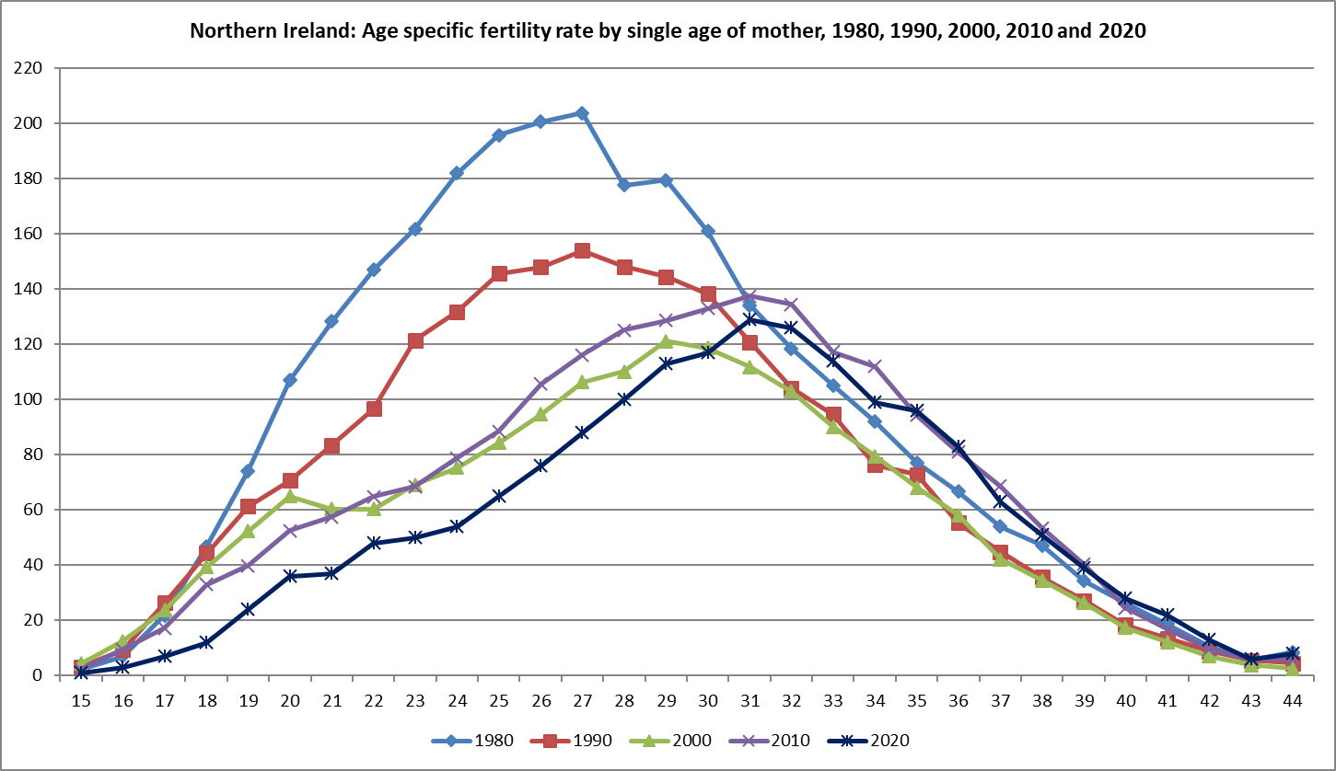
Age of mother | 1980 | 1990 | 2000 | 2010 | 2020
15 | 2 | 3 | 4 | 2 | 1
16 | 7 | 9 | 13 | 10 | 3
17 | 22 | 26 | 24 | 17 | 7
18 | 47 | 44 | 39 | 33 | 12
19 | 74 | 61 | 52 | 40 | 24
20 | 107 | 71 | 65 | 52 | 36
21 | 128 | 83 | 60 | 57 | 37
22 | 147 | 97 | 60 | 65 | 48
23 | 162 | 121 | 69 | 69 | 50
24 | 182 | 132 | 75 | 79 | 54
25 | 196 | 146 | 84 | 89 | 65
26 | 201 | 148 | 95 | 106 | 76
27 | 204 | 154 | 106 | 116 | 88
28 | 178 | 148 | 110 | 125 | 100
29 | 179 | 144 | 121 | 129 | 113
30 | 161 | 138 | 119 | 133 | 117
31 | 134 | 121 | 112 | 137 | 129
32 | 118 | 104 | 103 | 134 | 126
33 | 105 | 95 | 90 | 117 | 114
34 | 92 | 76 | 79 | 112 | 99
35 | 77 | 73 | 68 | 94 | 96
36 | 67 | 55 | 58 | 81 | 83
37 | 54 | 45 | 42 | 69 | 63
38 | 47 | 36 | 34 | 53 | 51
39 | 34 | 27 | 26 | 40 | 39
40 | 26 | 18 | 17 | 24 | 28
41 | 19 | 14 | 12 | 17 | 22
42 | 11 | 9 | 7 | 9 | 13
43 | 6 | 6 | 4 | 6 | 6
44 | 8 | 4 | 2 | 6 | 8
Source: NISRA
https://www.nisra.gov.uk/statistics/births-deaths-and-marriages/registrar-general-annual-report
Age-specific fertility rate is the number of live births occurring to a particular woman of a particular age or age group per year, normally expressed per 1,000 women
Rate for age 15 includes births at younger ages and for age 44 includes births at older ages

